Task Group
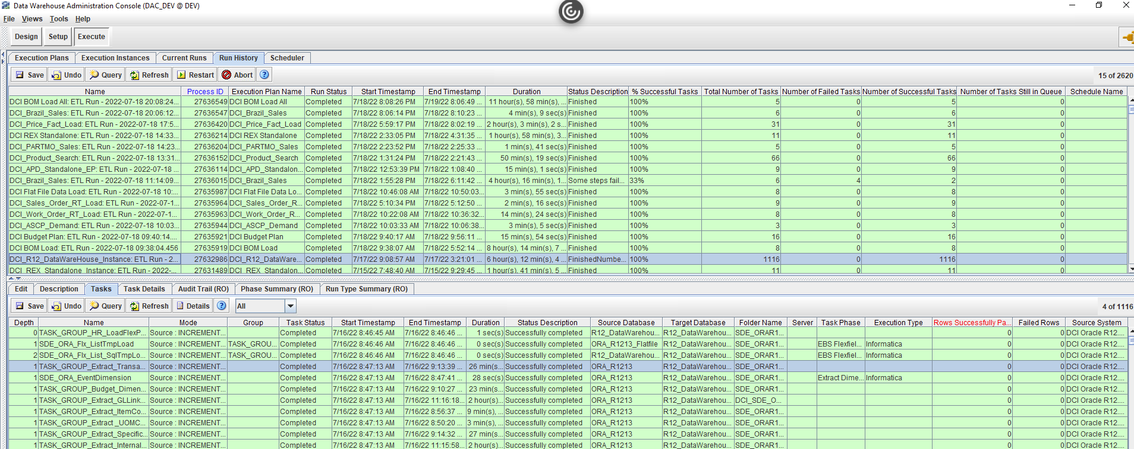
DAC Fields | IICS Fields
Name
Mode
Group
Task Status
Start Timestamp
End Timestamp
Duration
Source Database
Target Database
Folder Name
Server
Task Phase
Execution Type
Rows Succesfully Passed
Failed Rows
Source System

Task Details
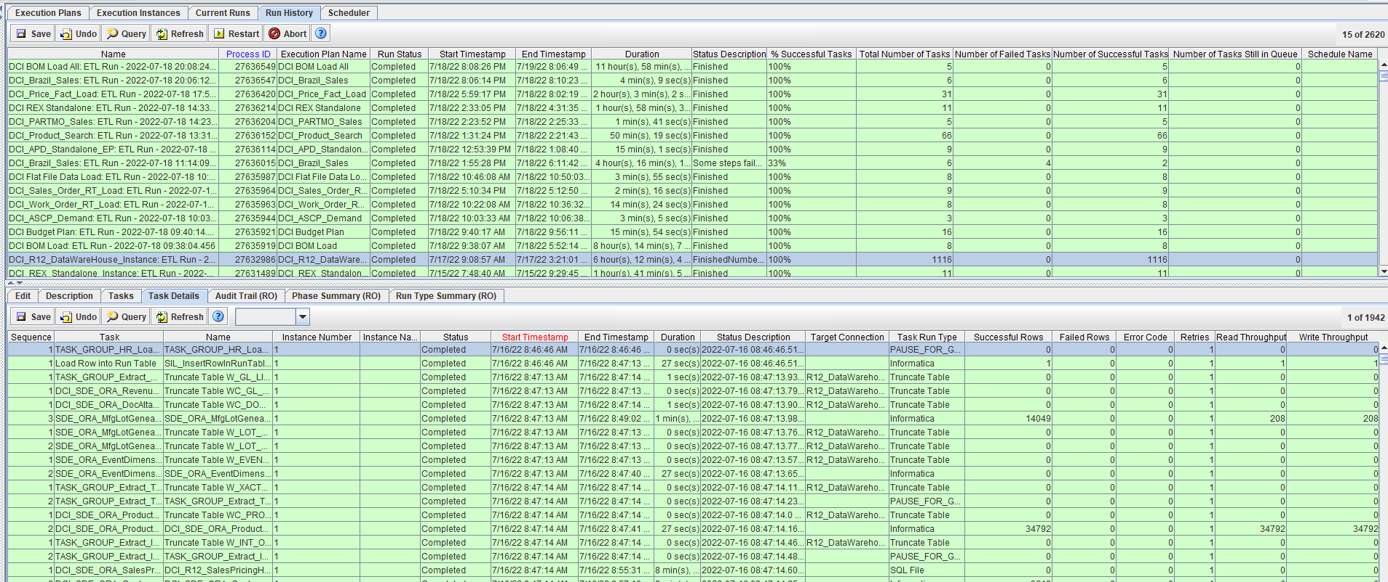
DAC Fields | IICS Fields
Sequence
Tasks
Name
Instance Number
Instance Name
Status
Start Timestamp
End Timestamp
Duration
Status Description
Target Connection
Task Run Type
Successful Rows
Failed Rows
Error Code
Retries
Read Throughput
Write Throughput

